Request
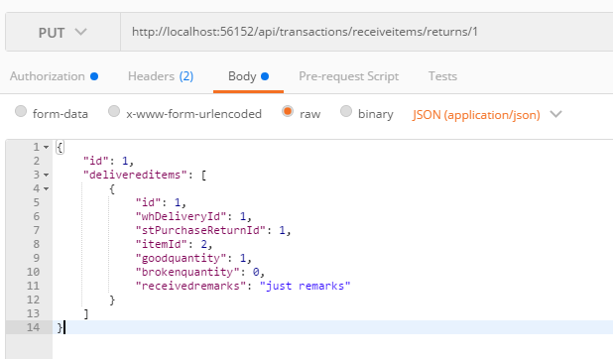
Parameter | Data Type | Length | Required | Unique | Remarks
Token | String |  | Yes |  | Bearer Token see AuthenticateAPI docu
Id | Int |  | Yes |  | WHDelivery.Id
DeliveredItems | Array |  | Yes
Id | Int |  | Yes |  | WHDeliveryDetail.Id
WHDeliveryId | Int |  | Yes |  | WHDelivery.Id
STPurchaseReturnId | Int |  | Yes |  | STPurchaseReturn.Id
ItemId | Int |  | Yes |  | STPurchaseReturn.ItemId
GoodQuantity | Int |  | Yes
BrokenQuantity | Int |  | Yes
ReceivedRemarks | String

Example

Response
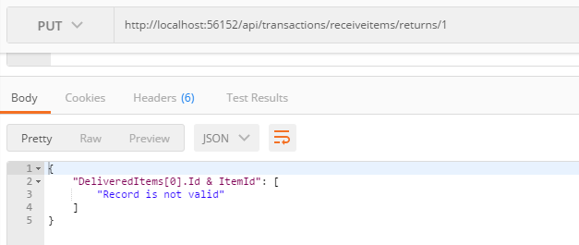
With error

